Table 12.3 (3)
Chapter 12
Table 12.3
 | Airline Cost Data

 | Number of Passengers | Cost ($ thousands) | SUMMARY OUTPUT
 | 61 | 4.28
 | 63 | 4.08 | Regression Statistics
 | 67 | 4.42 | Multiple R | 0.94820032795
 | 69 | 4.17 | R Square | 0.89908386192 | <-- shows the variability of the dependant variable (higher number allows us to predict)
 | 70 | 4.48 | Adjusted R Square | 0.88899224811 |  | G17 is the sum of the square residual
 | 74 | 4.3 | Standard Error | 0.17721745748 | <-- Standard error of estimate
 | 76 | 4.82 | Observations | 12
 | 81 | 4.7
 | 86 | 5.11 | ANOVA
 | 91 | 5.13 |  | df | SS | MS | F | Significance F
 | 95 | 5.64 | Regression | 1 | 2.7980313943 | 2.7980313943 | 89.092178816 | 2.691643622E-06 | <-- p-value, if greater than alpha then fail to rejct, if less than alpha then reject
 | 97 | 5.56 | Residual | 10 | 0.31406027235 | 0.031406027235
 |  |  | Total | 11 | 3.1120916667

 |  |  |  | Coefficients | Standard Error | t Stat | P-value | Lower 95% | Upper 95% | Lower 95.0% | Upper 95.0%
 |  |  | Intercept | 1.5697927768 | 0.33808296092 | 4.6432176662 | 0.00091748114153 | 0.81649699638 | 2.3230885572 | 0.81649699638 | 2.3230885572
 |  |  | Number of Passengers | 0.040701598579 | 0.0043121283262 | 9.4388653352 | 2.691643622E-06 | 0.031093577921 | 0.050309619237 | 0.031093577921 | 0.050309619237
 |  |  |  |  |  | ^ t score
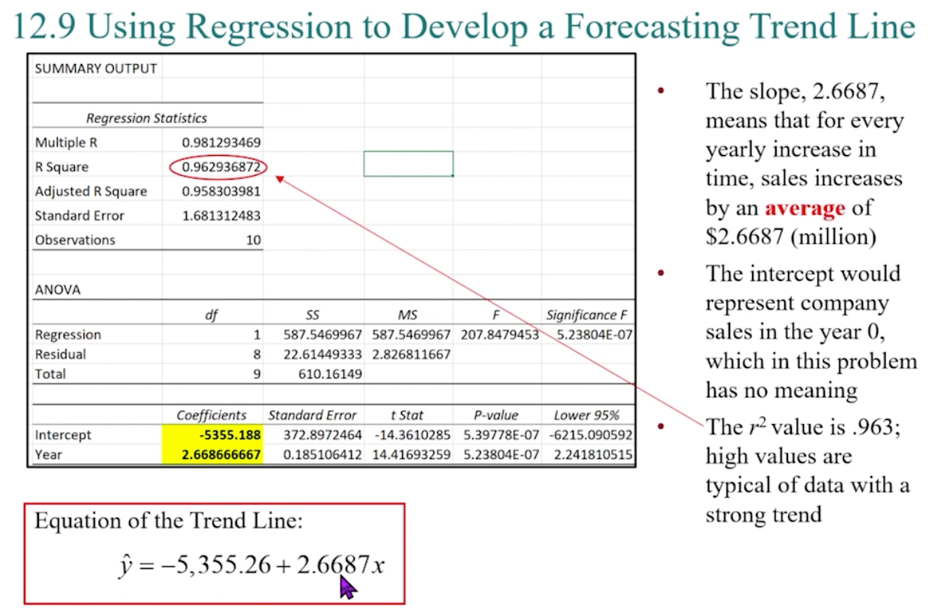

 |  |  | RESIDUAL OUTPUT

 |  |  | Observation | Predicted Cost ($ thousands) | Residuals
 |  |  | 1 | 4.0525902901 | 0.22740970989
 |  |  | 2 | 4.1339934873 | -0.053993487271
 |  |  | 3 | 4.2967998816 | 0.12320011841
 |  |  | 4 | 4.3782030787 | -0.20820307874
 |  |  | 5 | 4.4189046773 | 0.061095322676
 |  |  | 6 | 4.5817110716 | -0.28171107164
 |  |  | 7 | 4.6631142688 | 0.1568857312
 |  |  | 8 | 4.8666222617 | -0.16662226169
 |  |  | 9 | 5.0701302546 | 0.039869745411
 |  |  | 10 | 5.2736382475 | -0.14363824748
 |  |  | 11 | 5.4364446418 | 0.2035553582
 |  |  | 12 | 5.517847839 | 0.042152161042

Table 12.8 (2)
Chapter 12
Table 12.8

 | Year | Sales ($ millions)
 | 2010 | 7.84 | SUMMARY OUTPUT
 | 2011 | 12.26
 | 2012 | 13.11 | Regression Statistics
 | 2013 | 15.78 | Multiple R | 0.98129346891
 | 2014 | 21.29 | R Square | 0.96293687212
 | 2015 | 25.68 | Adjusted R Square | 0.95830398113
 | 2016 | 23.8 | Standard Error | 1.6813124833
 | 2017 | 26.43 | Observations | 10
 | 2018 | 29.16
 | 2019 | 33.06 | ANOVA
 |  |  |  | df | SS | MS | F | Significance F
 |  |  | Regression | 1 | 587.54699667 | 587.54699667 | 207.8479453 | 5.2380369353E-07
 |  |  | Residual | 8 | 22.614493333 | 2.8268116667
 |  |  | Total | 9 | 610.16149

 |  |  |  | Coefficients | Standard Error | t Stat | P-value | Lower 95% | Upper 95% | Lower 95.0% | Upper 95.0%
 |  |  | Intercept | -5355.188 | 372.89724642 | -14.361028545 | 5.3977763959E-07 | -6215.0905922 | -4495.2854078 | -6215.0905922 | -4495.2854078
 |  |  | Year | 2.6686666667 | 0.1851064122 | 14.41693259 | 5.2380369353E-07 | 2.2418105147 | 3.0955228187 | 2.2418105147 | 3.0955228187

 |  |  | yhat = -5355.188 - 2.66x

 |  |  | RESIDUAL OUTPUT

 |  |  | Observation | Predicted Sales ($ millions) | Residuals
 |  |  | 1 | 8.832 | -0.992
 |  |  | 2 | 11.500666667 | 0.75933333333
 |  |  | 3 | 14.169333333 | -1.0593333333
 |  |  | 4 | 16.838 | -1.058
 |  |  | 5 | 19.506666667 | 1.7833333333
 |  |  | 6 | 22.175333333 | 3.5046666667
 |  |  | 7 | 24.844 | -1.044
 |  |  | 8 | 27.512666667 | -1.0826666667
 |  |  | 9 | 30.181333333 | -1.0213333333
 |  |  | 10 | 32.85 | 0.21

